Fig 7.12
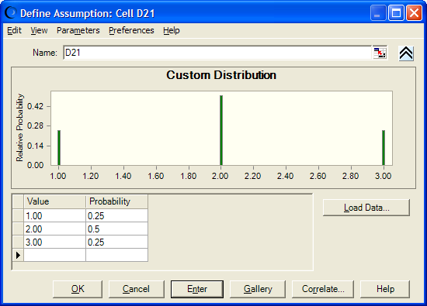

Fig 7.13
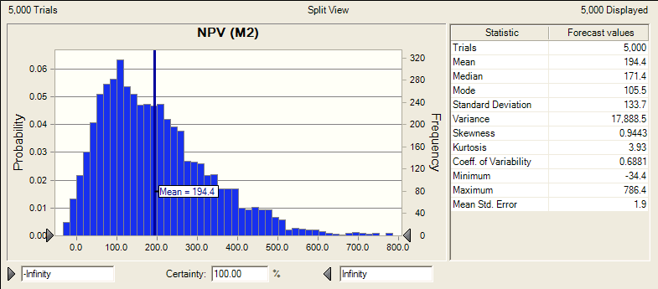
 | Direct Sales
Figure 7.13

Fig 7.14
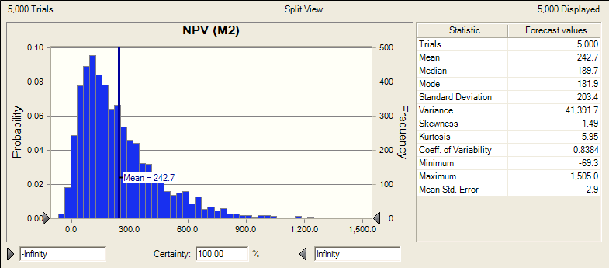
 | Licensing

Figure 7.14

Simulation results
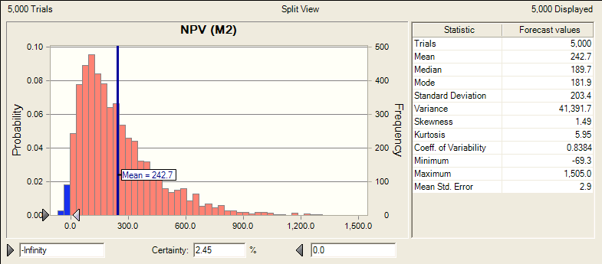
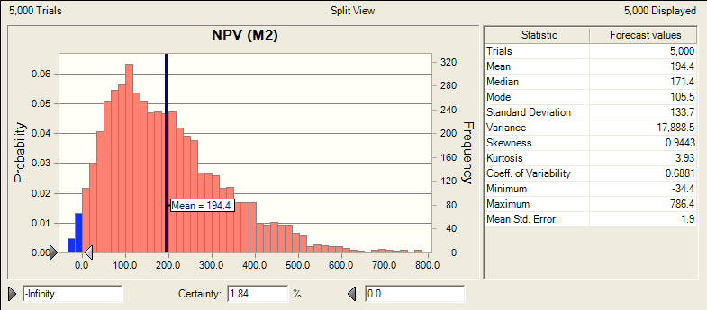
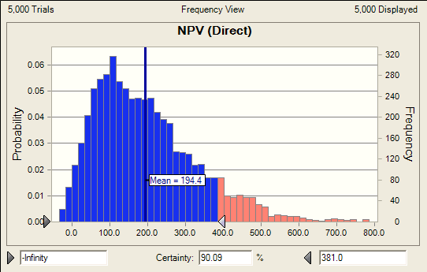
 | Direct Sales
Figure 7.13
 |  |  |  | NPV Percentiles (M2)
 |  |  |  | Percentile | Direct Sales | Licensing
 |  |  |  | 0% | -34 | -69
 |  |  |  | 10% | 46 | 42
 |  |  |  | 20% | 78 | 77
 |  |  |  | 30% | 106 | 112
 |  |  |  | 40% | 137 | 149
 |  |  |  | 50% | 171 | 190
 |  |  |  | 60% | 207 | 241
 |  |  |  | 70% | 246 | 298
 |  |  |  | 80% | 301 | 379
 |  |  |  | 90% | 381 | 527
 |  |  |  | 100% | 786 | 1505

 | Licensing

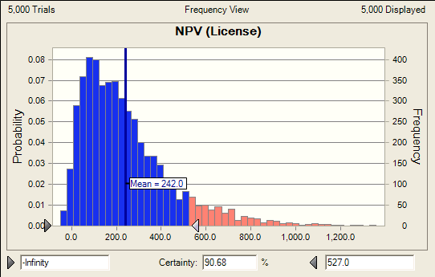
Figure 7.14
 |  | Forecast: NPV (M2)
 |  | Percentile | Forecast values
 |  | 0% | -69.3
 |  | 10% | 41.7
 |  | 20% | 77.4
 |  | 30% | 112
 |  | 40% | 148.8
 |  | 50% | 189.7
 |  | 60% | 241.3
 |  | 70% | 298.4
 |  | 80% | 378.9
 |  | 90% | 526.8
 |  | 100% | 1,505.00

